grain size analysis
before the flood (2013)
after the flood (2013)
mean
percent passing(%)
particle size (mm)
 |  |  |  |  |  |  |  |  | 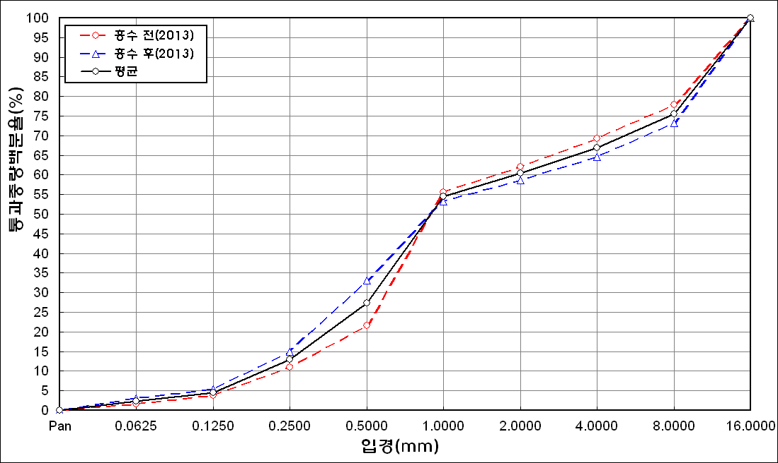
* grain-size distribution of bed material (2014) _ grid sampling(Hack_1947)

* particle size distribution of suspended sediment (2014)_Laser Diffraction
 |  |  |  |  |  |  |  |  | * grain-size distribution of bed material (2014)_Sieve
No | particle size distribution of suspended sediment (%)
 | range (mm) |  |  |  |  |  |  |  | particle size time | D10 | D30 | D35 | D60 | D65 | 균등계수 Coefficient of uniformity (Cu) | 곡률계수 Coefficient of curvature (Cg)
 | 0.0020~ | 0.063~ | 0.126~ | 0.26~ | 0.51~ | 1.1~ | 2.1~ | 4.1~ | 홍수전 (before the flood) | 0.64 | 5.60 | 10.40 | 36.90 | 45.00 | 57.66 | 1.33
 | 0.062 | 0.125 | 0.25 | 0.5 | 1 | 2 | 4 | 8 | 홍수후(after the flood ) | 0.60 | 3.34 | 8.60 | 45.00 | 63.00 | 75.00 | 0.41
1 | 60.23 | 17.13 | 8.69 | 2.67 | 3.1 | 5.35 | 2.47 | 0 | 평균 (mean) | 0.62 | 4.47 | 9.50 | 40.95 | 54.00 | 66.05 | 0.79
2 | 76.63 | 12.67 | 6.86 | 1.62 | 0.11 | 0.21 | 0.12 | 0 | particle size time | D5 | D10 | D15 | D20 | D25 | D30 | D35 | D40 | D45 | D50 | D55 | D60 | D65 | D70 | D75 | D80 | D85 | D90 | D95 | D100
3 | 61.43 | 10.11 | 7.58 | 2.15 | 2.91 | 9.68 | 2.47 | 0 | 홍수전 (before the flood) | 0.43 | 0.64 | 0.91 | 1.18 | 2.00 | 5.60 | 10.40 | 14.40 | 19.00 | 23.50 | 28.50 | 36.90 | 45.00 | 53.00 | 59.00 | 75.00 | 90.00 | 150.00 | - | -
4 | 72.46 | 16.96 | 8.28 | 0.89 | 0 | 0 | 0 | 0 | 홍수후 (after the flood ) | 0.35 | 0.60 | 0.83 | 1.06 | 1.55 | 3.34 | 8.60 | 14.17 | 21.14 | 27.75 | 35.06 | 45.00 | 63.00 | 90.35 | 102.22 | 117.97 | 133.80 | 150.76 | - | -
5 | 80.91 | 9.54 | 5.66 | 2.08 | 0 | 0 | 0 | 0 | 평균 (mean) | 0.39 | 0.62 | 0.87 | 1.12 | 1.78 | 4.47 | 9.50 | 14.29 | 20.07 | 25.63 | 31.78 | 40.95 | 54.00 | 71.68 | 80.61 | 96.49 | 111.90 | 150.38 | - | -
before the flood (2014)
after the flood (2014)
mean
percent passing(%)
particle size (mm)
6 | 74.63 | 11.24 | 10.37 | 1.64 | 0 | 0 | 0 | 0
7 | 76.84 | 11.64 | 6.89 | 3.13 | 0.59 | 0.06 | 0 | 0
8 | 68.85 | 15.05 | 13.94 | 1.59 | 0.15 | 0.01 | 0 | 0
9 | 57.04 | 29.9 | 12.26 | 0.6 | 0 | 0 | 0 | 0
10 | 57.19 | 19.18 | 15.57 | 6.06 | 1.59 | 0.04 | 0 | 0
11 | 64.54 | 26.17 | 7.66 | 1.15 | 0.24 | 0 | 0 | 0
12 | 53.54 | 22.81 | 18.18 | 5.17 | 0.2 | 0 | 0 | 0
13 | 70.8 | 13.6 | 7.45 | 4.57 | 2.68 | 0.04 | 0 | 0
14 | 77.66 | 11.42 | 6.65 | 2.14 | 0.28 | 0 | 0 | 0
15 | 75.15 | 11.69 | 6.99 | 3.66 | 1.4 | 0.01 | 0 | 0
16 | 65.32 | 16.09 | 9.63 | 4.66 | 3.08 | 0.33 | 0.07 | 0
17 | 58.04 | 21.2 | 15.01 | 4.81 | 0.8 | 0 | 0 | 0
mean | 67.72 | 16.26 | 9.86 | 2.86 | 1.01 | 0.93 | 0.3 | 0

